PL
GAUDI PRODUCTION PACKING LIST-1.10

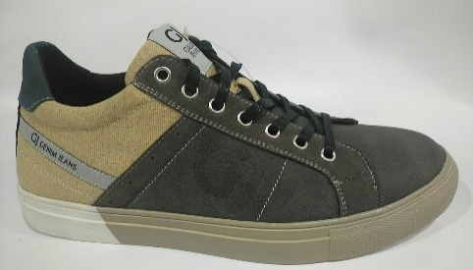
BRAND | STYLE | COLOUR | COLOUR | PIC | PACK | SIZE
NAME | NO | CODE | DES. |  | CODE | 36 | 37 | 38 | 39 | 40 | 41 | 42 | 43 | 44 | 45 | 46 | CTN | CTNS | TOT.QNT
GAUDI | 65030 | V0606 | grey/grey |  | M1 |  |  |  |  | 1 | 2 | 3 | 3 | 2 | 1 |  | 12 | 70 | 840
GAUDI | 65030 | V3754 | blue/dk blue | 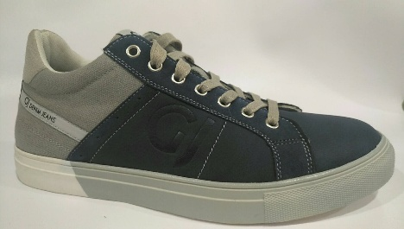 | M1 |  |  |  |  | 1 | 2 | 3 | 3 | 2 | 1 |  | 12 | 100 | 1200
GAUDI | 65030 | V6666 | dk taupe | 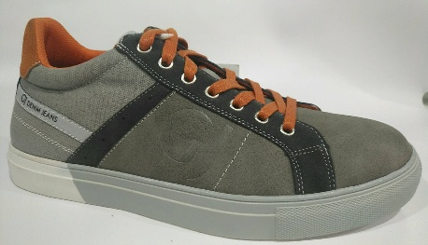 | M1 |  |  |  |  | 1 | 2 | 3 | 3 | 2 | 1 |  | 12 | 50 | 600
GAUDI | 65031 | V0606 | grey/grey | 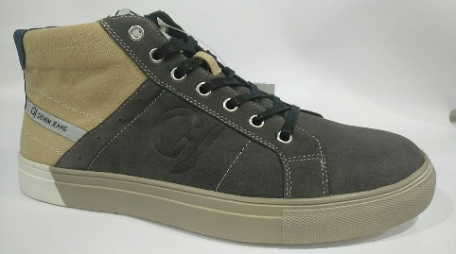 | M1 |  |  |  |  | 1 | 2 | 3 | 3 | 2 | 1 |  | 12 | 70 | 840
GAUDI | 65031 | V3754 | blue/dk blue | 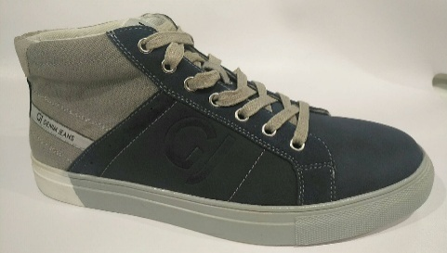 | M1 |  |  |  |  | 1 | 2 | 3 | 3 | 2 | 1 |  | 12 | 100 | 1200
GAUDI | 65031 | V6666 | dk taupe/dk taupe | 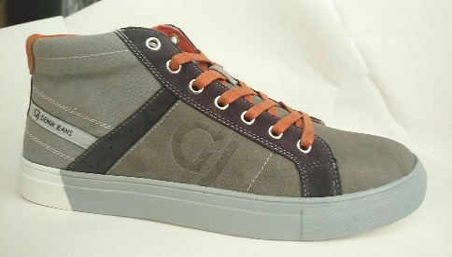 | M1 |  |  |  |  | 1 | 2 | 3 | 3 | 2 | 1 |  | 12 | 50 | 600
 |  |  |  |  |  |  |  |  |  |  |  |  |  |  |  |  |  |  | 5280

